Флот
 | Германия |  |  | Франция |  |  | Япония |  |  | Италия |  |  | США |  |  | СССР/Россия |  |  | Китай |  |  | Польша |  |  | Великобритания |  |  |  | Источник
 | ПЛ | Крейсер + линкор | Всего | ПЛ | Крейсер | Всего | ПЛ | Крейсер | Всего | ПЛ | Крейсер | Всего | ПЛ | Крейсер | Всего | ПЛ | Крейсер | Всего | ПЛ | Крейсер | Всего | ПЛ | Крейсер | Всего | ПЛ | Крейсер + линкор | Всего
1918 | 28 | 40 | 262 | 55 | 25 | 202 | 11 | 25 | 208 | 19 | 6 | 400 | 27 | 23 | 78 | 37 | 12 | 105 | 0 | 0 | 0 | 0 | 0 | 6 | 80 | 82 | 520
источник | https://www.britannica.com/event/World-War-I/Forces-and-resources-of-the-combatant-nations-in-1914 |  |  | http://www.naval-history.net/WW1NavyFrench.htm |  |  |  |  |  | http://www.naval-history.net/xGW-ItalianNavy1914-1918.htm#warships |  |  |  |  |  | http://www.naval-history.net/xGW-RussianNavy1914-1918.htm#2 |  |  |  |  |  |  |  |  | https://www.naval-encyclopedia.com/ww1/royal-navy-1914
1939 | 57 | 13 | 212 | 77 | 26 | 218 | 53 | 45 | 280 | 104 | 25 | 395 | 92 | 50 | 421 | 211 | 10 | 751 | 0 | 0 | 0 | 5 | 4 | 9 | 58 | 79 | 443 |  | flot.com

1945 |  |  |  | 22 | 7 |  | 56 | 0 | 246 |  |  |  |  |  |  | 173 | 9 | 337 |  |  |  | 0 | 0 | 0 |  |  |  |  | http://www.navalreview.ca/wp-content/uploads/public/vol5num3/vol5num3art2.pdf
1955
1960 |  |  |  |  |  |  |  |  |  |  |  |  | 158 | 11
 |  |  |  |  |  |  |  |  |  |  |  |  |  | https://www.naval-encyclopedia.com/cold-war/us-navy-1945-1960
1965 |  |  |  |  |  |  |  |  |  |  |  |  | 178
1970 |  |  |  |  |  |  |  |  |  |  |  |  | 165
1975 |  |  |  |  |  |  |  |  |  |  |  |  | 125
1980 |  |  |  |  |  |  |  |  |  |  |  |  | 125
1985 |  |  |  |  |  |  |  |  |  |  |  |  | 145
1990 |  |  |  |  |  |  |  |  |  |  |  |  | 140 |  |  | 271 | 40 | 628
1995 |  |  |  |  |  |  |  |  |  |  |  |  | 105
2000 |  |  |  |  |  |  |  |  |  |  |  |  | 87
2017 |  |  |  |  |  |  |  |  |  |  |  |  | 84 | 233 | 327 | 73 | 5 | 125 | 61 | 98 | 160 |  |  |  |  |  |  |  | https://en.wikipedia.org/wiki/Russian_Navy
2018 | 6 | 10 | 81 | 10 | 11 | 118 | 17 | 0 | 131 | 8 | 14 | 143 | 66 | 10 | 415 | 62 | 9 | 352 | 73 | 50 | 714 | 4 | 2 | 83 | 10 | 13 | 76 |  | https://www.globalfirepower.com/navy-ships.asp
 |  | 0 |  |  | 12 |  |  | 36 |  |  | 4 |  |  | 65 |  |  | 13 |  |  | 29 |  |  | 0 |  |  | 6 |  | Класс - Frigate |  | Класс Desroyer
Численность персонала |  |  |  |  |  | 36000 |  |  | 51000 |  |  | 31000 |  |  | 300000 |  |  | 148000 |  |  | 250000 |  |  |  |  |  |  |  | https://improb.com/best-military-navy-force/

 |  |  |  |  |  |  |  |  |  |  |  |  |  |  |  | https://en.wikipedia.org/wiki/Soviet_Navy#Interwar_period_(1918–1941) |  |  |  |  |  | https://en.wikipedia.org/wiki/Polish_Navy
 |  |  |  |  |  |  |  |  |  |  |  |  |  |  |  |  |  |  |  |  |  |  | Крей | ПЛ | ост
 |  |  |  |  |  |  |  |  |  |  |  |  |  |  |  |  |  |  |  |  |  | Сев. Флот | 1 | 1 | 1
 |  |  |  |  |  |  |  |  |  |  |  |  |  |  |  |  |  |  |  |  |  |  | 1 | 6 | 4
 |  |  |  |  |  |  |  |  |  |  |  |  |  |  |  |  |  |  |  |  |  |  | 1 | 1 | 5
 |  |  |  |  |  |  |  |  |  |  |  |  |  |  |  |  |  |  |  |  |  |  |  | 3 | 1
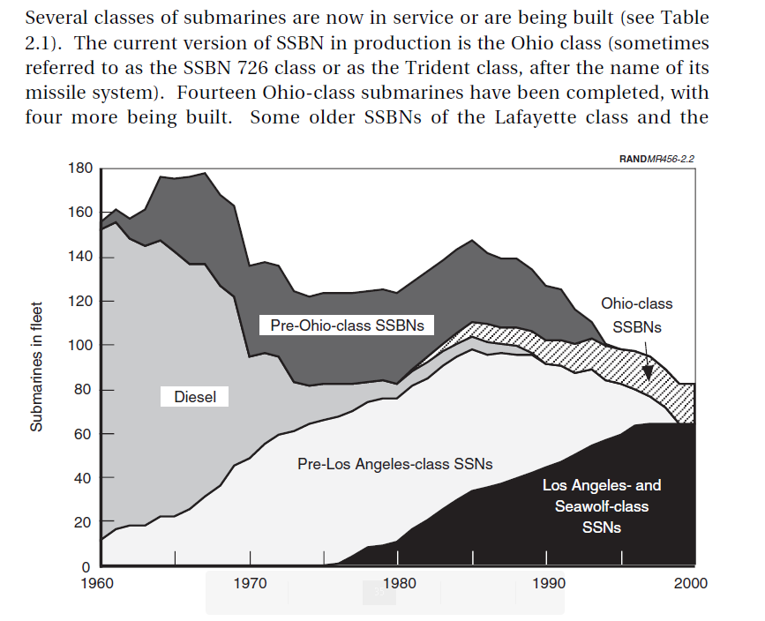
 |  |  |  |  |  |  |  |  |  |  |  |  |  |  |  |  |  |  |  |  |  |  |  | 1 | 6
 |  |  |  |  |  |  |  |  |  |  |  |  |  |  |  |  |  |  |  |  |  |  |  | 6
 |  |  |  |  |  |  |  |  |  |  |  |  |  |  |  |  |  |  |  |  |  |  |  | 3
 |  |  |  |  |  |  |  |  |  |  |  |  |  |  |  |  |  |  |  |  |  |  |  | 3
 |  |  |  |  |  |  |  |  |  |  |  |  |  |  |  |  |  |  |  |  |  |  |  | 1
 |  |  |  |  |  |  |  |  |  |  |  |  |  |  |  |  |  |  |  |  |  |  |  | 5
 |  |  |  |  |  |  |  |  |  |  |  |  |  |  |  |  |  |  |  |  |  | Зап |  | 2 | 2
 |  |  |  |  |  |  |  |  |  |  |  |  |  |  |  |  |  |  |  |  |  |  |  |  | 2
 |  |  |  |  |  |  |  |  |  |  |  |  |  |  |  |  |  |  |  |  |  |  |  |  | 4
 |  |  |  |  |  |  |  |  |  |  |  |  |  |  |  |  |  |  |  |  |  |  |  |  | 2
 |  |  |  |  |  |  |  |  |  |  |  |  |  |  |  |  |  |  |  |  |  | ЧерМор | 1 | 6 | 6
 |  |  |  |  |  |  |  |  |  |  |  |  |  |  |  |  |  |  |  |  |  | Касп |  |  | 8
 |  |  |  |  |  |  |  |  |  |  |  |  |  |  |  |  |  |  |  |  |  | ТихОк | 1 | 2 | 1
 |  |  |  |  |  |  |  |  |  |  |  |  |  |  |  |  |  |  |  |  |  |  |  | 3 | 4
 |  |  |  |  |  |  |  |  |  |  |  |  |  |  |  |  |  |  |  |  |  |  |  | 5 | 1
 |  |  |  |  |  |  |  |  |  |  |  |  |  |  |  |  |  |  |  |  |  |  |  | 5
 |  |  |  |  |  |  |  |  |  |  |  |  |  |  |  |  |  |  |  |  |  |  |  | 7
 |  |  |  |  |  |  |  |  |  |  |  |  |  |  |  |  |  |  |  |  |  |  | 5 | 60 | 47

Авиация
 | Германия |  |  | Франция |  |  | Япония |  |  | Италия |  |  | США |  |  | СССР/Россия |  |  | Китай |  |  | Польша |  |  | Великобритания |  |  | ИТОГО | http://bse.sci-lib.com/article005953.html
 | Бомбар | истреб | Всего | Бомбар | истреб | Всего | Бомбар | истреб | Всего | Бомбар | истреб | Всего | Бомбар | истреб | Всего | Бомбар | истреб | Всего | Бомбар | истреб | Всего | Бомбар | истреб | Всего | Бомбар | истреб | Всего |  | https://ru.wikipedia.org/wiki/%D0%92%D0%BE%D0%B5%D0%BD%D0%BD%D0%BE-%D0%B2%D0%BE%D0%B7%D0%B4%D1%83%D1%88%D0%BD%D1%8B%D0%B5_%D1%81%D0%B8%D0%BB%D1%8B_%D0%A1%D0%A1%D0%A1%D0%A0
1914 |  |  | 232 |  |  | 156 |  |  |  |  |  | 30 |  |  | 30 |  |  | 263 |  |  | 0 |  |  | 0 |  |  | 30 |  | http://www.airpages.ru/dc/hist_1.shtml
1918 |  |  | 2730 |  |  | 3321 |  |  |  |  |  | 842 |  |  | 740 |  |  | 590 |  |  | 0 |  | 410 | 2160 |  |  | 1758 |  | http://www.world-war-2.info/statistics/
1939 |  |  | 4400 |  |  | 3330 |  |  | 4500 |  |  | 2950 |  |  | 8000 |  |  |  |  |  | 0 | 314 | 280 | 1369 |  |  | 4030 |  | https://www.globalfirepower.com/aircraft-total-fighters.asp
1941 |  |  |  |  |  |  |  |  |  |  |  |  |  |  |  |  |  | 14954 |  |  |  |  |  |  |  |  |  |  | https://en.wikipedia.org/wiki/World_War_II_aircraft_production
1942 |  |  | 3700 |  |  |  |  |  |  |  |  |  |  |  |  |  |  | 2100 |  |  | 0 |  |  | 0 |  |  | 9500 |  | https://en.wikipedia.org/wiki/Polish_Air_Force
1944 |  |  | 4600 |  |  |  |  |  |  |  |  |  |  |  | 11800 |  |  | 14700 |  |  | 0 |  |  | 0 |  |  | 13200
2018 |  | 94 | 714 |  | 299 | 1262 |  | 290 | 1508 |  | 90 | 828 |  | 1962 | 13362 |  | 818 | 3914 |  | 1125 | 3035 |  | 99 | 466 |  | 103 | 832

Производство самолетов!!!!
1939 |  |  | 8.295 |  |  |  |  |  | 4.467 |  |  |  |  |  | 2.141 |  |  | 10.382 |  |  |  |  |  |  |  |  | 7.94
1940 |  |  | 10.862 |  |  |  |  |  | 4.768 |  |  |  |  |  | 6.068 |  |  | 10.565 |  |  |  |  |  |  |  |  | 15.049
1941 |  |  | 12.401 |  |  |  |  |  | 5.088 |  |  |  |  |  | 18.466 |  |  | 15.737 |  |  |  |  |  |  |  |  | 20.094
1942 |  |  | 15.409 |  |  |  |  |  | 8.861 |  |  |  |  |  | 46.907 |  |  | 25.436 |  |  |  |  |  |  |  |  | 23.672
1943 |  |  | 24.807 |  |  |  |  |  | 16.693 |  |  |  |  |  | 84.853 |  |  | 34.9 |  |  |  |  |  |  |  |  | 26.263
1944 |  |  | 40.593 |  |  |  |  |  | 28.18 |  |  |  |  |  | 96.27 |  |  | 40.3 |  |  |  |  |  |  |  |  | 26.461
1945 |  |  | 7.54 |  |  |  |  |  | 8.263 |  |  |  |  |  | 45.852 |  |  | 20.9 |  |  |  |  |  |  |  |  | 12.07
ИТОГО |  |  | 119.907 |  |  |  |  |  | 76.32 |  |  |  |  |  | 300.557 |  |  | 158.22 |  |  |  |  |  |  |  |  | 131.549

https://en.wikipedia.org/wiki/German_aircraft_production_during_World_War_II
Другой источник данных!!!! |  |  |  |  |  |  |  |  |  |  |  |  |  |  |  |  |  |  |  |  |  | Strength of Polish Air Force on 1 September 1939[edit]
Bomber Aircraft
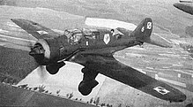
Type | 1939 | 1940 | 1941 | 1942 | 1943 | 1944 | 1945 | Total
Arado Ar 234 | - | - | - | - | - | 150 | 64 | 214
Dornier Do 17 | 215 | 260 | - | - | - | - | - | 475
Dornier Do 217 | 1 | 20 | 277 | 564 | 504 | - | - | 1.366 |  |  |  |  |  |  |  |  |  |  |  |  |  | A PZL.43 tactical bomber
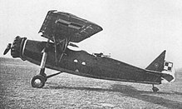
Heinkel He 111 | 452 | 756 | 950 | 1337 | 1405 | 756 | - | 5.656
Heinkel He 177 | - | - | - | 166 | 415 | 565 | - | 1.146
Junkers Ju 88 | 69 | 1816 | 2146 | 2270 | 2160 | 661 | - | 9.122
Junkers Ju 188 | - | - | - | - | 165 | 301 | - | 466
Junkers Ju 388 | - | - | - | - | - | 4 | - | 4
Total | 737 | 2852 | 3373 | 4337 | 4799 | 2351 | - | 18.499
 |  |  |  |  |  |  |  |  |  |  |  |  |  |  |  |  |  |  |  |  |  | A RWD-14 Czapla reconnaissance aircraft
Fighter Aircraft |  |  |  |  |  |  |  |  |  |  |  |  |  |  |  |  |  |  |  |  |  | Aircraft[5] | Origin | Type | Variant | In service | Notes
Type | 1939 | 1940 | 1941 | 1942 | 1943 | 1944 | 1945 | Total |  |  |  |  |  |  |  |  |  |  |  |  |  | Combat Aircraft
Dornier Do 17 | 9 | - | - | - | - | - | - | 9 |  |  |  |  |  |  |  |  |  |  |  |  |  | PZL P.11 | Poland | fighter |  | 175 | combat formations consisted of 140
Dornier Do 217 | - | - | - | - | 157 | 207 | - | 364 |  |  |  |  |  |  |  |  |  |  |  |  |  | PZL P.7 | Poland | fighter |  | 105 | combat formations consisted of 30
Dornier Do 335 | - | - | - | - | - | 7 | 4 | 11 |  |  |  |  |  |  |  |  |  |  |  |  |  | PZL.23A | Poland | light bomber |  | 35
Focke-Wulf Fw 190 | - | - | 228 | 1850 | 2171 | 7488 | 1630 | 13.376 |  |  |  |  |  |  |  |  |  |  |  |  |  | PZL.23B | Poland | light bomber |  | 170 | combat formations consisted of 120
Focke-Wulf Ta 152 | - | - | - | - | - | 34 | ? | ~150 |  |  |  |  |  |  |  |  |  |  |  |  |  | PZL.43 | Poland | light bomber |  | 6 | combat formations consisted of 6
Focke-Wulf Ta 154 | - | - | - | - | - | 8 | - | 8 |  |  |  |  |  |  |  |  |  |  |  |  |  | PZL.46 Sum | Poland | light bomber |  | 2 | combat formations consisted of 1
Heinkel He 162 | - | - | - | - | - | - | 116 | 116 |  |  |  |  |  |  |  |  |  |  |  |  |  | PZL.37 Łoś | Poland | medium bomber |  | 86 | combat formations consisted of 36
Heinkel He 219 | - | - | - | - | 11 | 195 | 62 | 268 |  |  |  |  |  |  |  |  |  |  |  |  |  | LWS-6 Żubr | Poland | medium bomber |  | 15
Junkers Ju 88 | - | 62 | 66 | 257 | 706 | 2513 | 355 | 3.964 |  |  |  |  |  |  |  |  |  |  |  |  |  | Surveillance
Messerschmitt Bf 109 | 449 | 1667 | 2764 | 2657 | 6013 | 12807 | 2798 | 29.155 |  |  |  |  |  |  |  |  |  |  |  |  |  | Lublin R XIII | Poland | spotter |  | 150 | combat formations consisted of 55
Messerschmitt Bf 110 | 156 | 1006 | 594 | 501 | 641 | 128 | - | 3.028 |  |  |  |  |  |  |  |  |  |  |  |  |  | RWD-14 Czapla | Poland | reconnaissance |  | 60 | combat formations consisted of 40
Messerschmitt Me 163 | - | - | - | - | - | 327 | 37 | 364 |  |  |  |  |  |  |  |  |  |  |  |  |  | RWD 8 | Poland | reconnaissance |  | 550 | combat formations consisted of 20
Messerschmitt Me 210 | - | - | 92 | 93 | 89 | 74 | - | 348 |  |  |  |  |  |  |  |  |  |  |  |  |  | PWS-16 | Poland | reconnaissance / trainer |  | 15 | combat formations consisted of 15
Messerschmitt Me 262 | - | - | - | - | - | 564 | 730 | 1.294
Messerschmitt Me 410 | - | - | - | - | 271 | 629 | - | 910
Total | 614 | 2735 | 3744 | 5358 | 10059 | 24981 | 5732 | 53.215

Ground Attack Aircraft
Type | 1939 | 1940 | 1941 | 1942 | 1943 | 1944 | 1945 | Total
Focke-Wulf Fw 190 | - | - | - | 68 | 1183 | 4279 | 1104 | 6.634
Henschel Hs 129 | - | - | 7 | 221 | 411 | 302 | - | 841
Junkers Ju 87 | 134 | 603 | 500 | 960 | 1672 | 1012 | - | 4.881
Junkers Ju 88 | - | - | - | - | - | 3 | - | 3

Reconnaissance Aircraft
Type | 1939 | 1940 | 1941 | 1942 | 1943 | 1944 | 1945 | Total
Dornier Do 17 | 16 | - | - | - | - | - | - | 16
Dornier Do 215 | 3 | 92 | 6 | - | - | - | - | 101
Focke-Wulf Fw 189 | 6 | 38 | 250 | 327 | 208 | 17 | - | 846
Focke-Wulf Fw 200 | 1 | 36 | 58 | 84 | 76 | 8 | - | 263
Henschel Hs 126 | 137 | 368 | 5 | - | - | - | - | 510
Junkers Ju 88 | - | 330 | 568 | 567 | 394 | 52 | - | 1.911
Junkers Ju 188 | - | - | - | - | 105 | 432 | 33 | 570
Junkers Ju 290 | - | - | - | - | 23 | 18 | - | 41
Junkers Ju 388 | - | - | - | - | - | 87 | 12 | 99
Messerschmitt Bf 109 | - | - | 26 | 8 | 141 | 979 | 171 | 1.328
Messerschmitt Bf 110 | - | 75 | 190 | 79 | 150 | - | - | 494
Messerschmitt Me 210 | - | - | 2 | 2 | - | - | - | 4
Messerschmitt Me 410 | - | - | - | - | 20 | 93 | - | 113

Seaplanes
Type | 1939 | 1940 | 1941 | 1942 | 1943 | 1944 | 1945 | Total
Arado Ar 196 | 22 | 104 | 94 | 107 | 104 | - | - | 435
Blohm & Voss BV 138 | 39 | 82 | 85 | 70 | - | - | - | 276
Blohm & Voss BV 222 | - | - | - | - | 4 | - | - | 4
Dornier Do 18 | 22 | 49 | - | - | - | - | - | 71
Dornier Do 24 | - | 1 | 7 | 46 | 81 | - | - | 135
Heinkel He 115 | 52 | 76 | - | - | 141 | - | - | 269

Transport Aircraft
Type | 1939 | 1940 | 1941 | 1942 | 1943 | 1944 | 1945 | Total
Gotha Go 244 | - | - | - | 43 | - | - | - | 43
Junkers Ju 52 | 145 | 388 | 507 | 503 | 887 | 379 | - | 2.804
Junkers Ju 252 | - | - | - | 15 | - | - | - | 15
Junkers Ju 352 | - | - | - | - | 1 | 49 | - | 50
Messerschmitt Me 323 | - | - | - | 27 | 140 | 34 | - | 201

Total Production
Year | 1939 | 1940 | 1941 | 1942 | 1943 | 1944 | 1945 | Total
Total | 1.928 | 7.829 | 9.422 | 12.822 | 20.599 | 35.076 | 7.052 | 94.622

Пушки
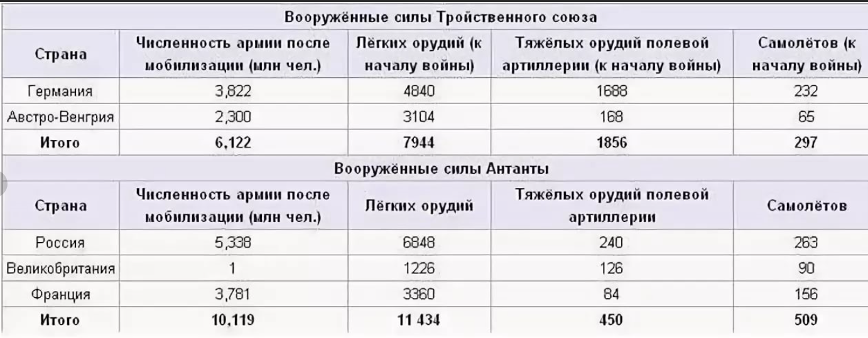
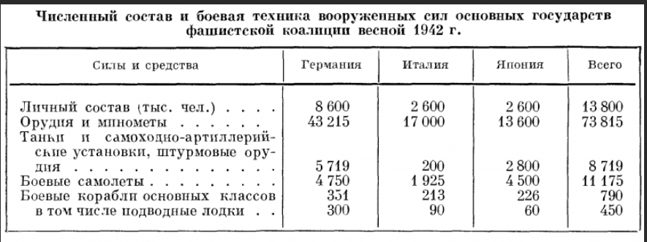
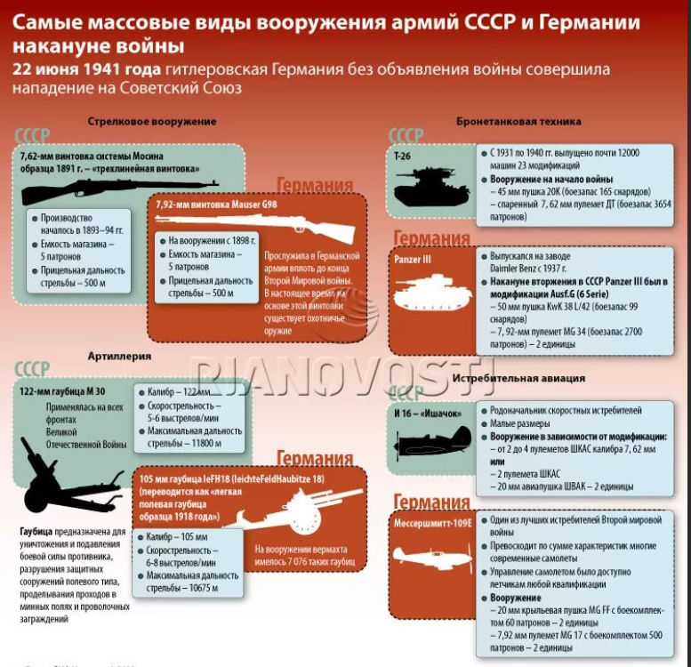
 | Германия | Франция | Япония | Италия | США | СССР/Россия | Китай | Польша | Великобритания
 | Всего | Всего | Всего | Всего | Всего | Всего | Всего | Всего | Всего
1914 | 6528 | 3444 |  |  |  | 7088 |  |  | 1352
1918
1939 | 4000 | 3000 |  | 350 |  | 5000 |  | 600 | 1000
1942 | 43215 |  | 13600 | 17000
1945
1955
2018

Численность армии
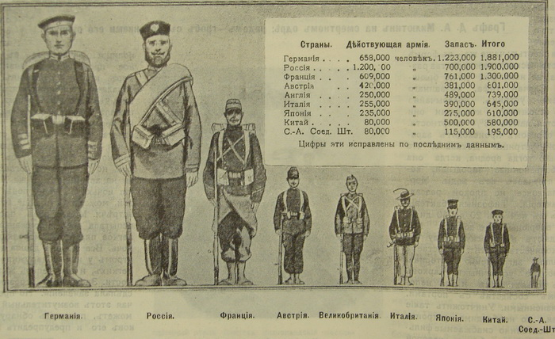
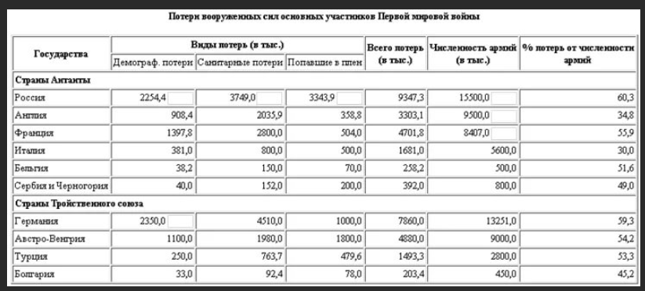
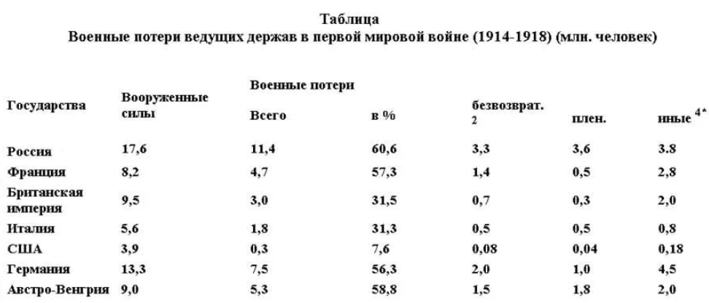
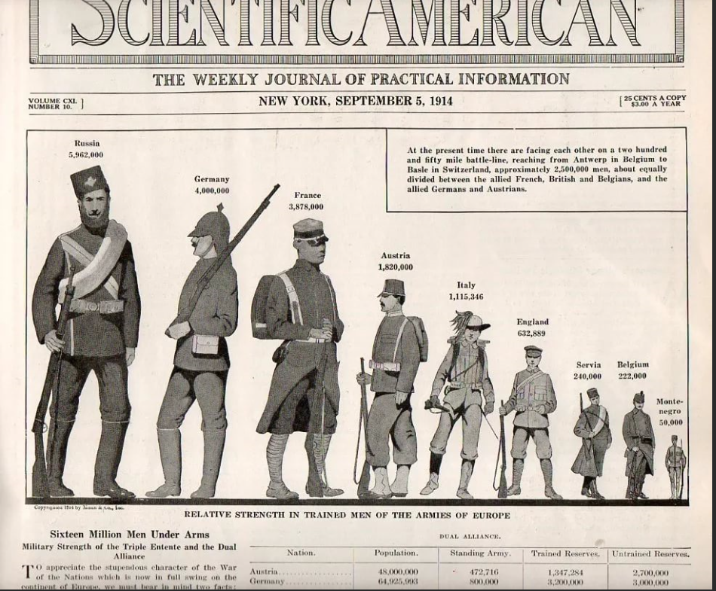
 | Германия |  | Франция |  | Япония |  | Италия |  | США |  | СССР/Россия |  | Китай |  | Польша |  | Великобритания |  | oboznik.ru›?p=36031
 | Сухопут | Всего | Сухопут | Всего | Сухопут | Всего | Сухопут | Всего | Сухопут | Всего | Сухопут | Всего | Сухопут | Всего | Сухопут | Всего | Сухопут | Всего | https://spartacus-educational.com/FWWarmies1914.htm
1914 | 808 |  | 883 |  |  | 235 |  | 5000 |  | 80 |  | 1094 |  | 80 |  |  | 258 |  | https://yandex.ru/images/search?pos=2&img_url=https%3A%2F%2Fruxpert.ru%2Fimages%2Fa%2Fa1%2F%25D0%2592%25D0%25A1_%25D1%2581%25D1%2582%25D1%2580%25D0%25B0%25D0%25BD_%25D0%25BF%25D0%25B5%25D1%2580%25D0%25B5%25D0%25B4_%25D0%25BF%25D0%25BC%25D0%25B2.jpg&text=%D1%87%D0%B8%D1%81%D0%BB%D0%B5%D0%BD%D0%BD%D0%BE%D1%81%D1%82%D1%8C%20%D0%B0%D1%80%D0%BC%D0%B8%D0%B9%20%D0%BC%D0%B8%D1%80%D0%B0%20%D0%B2%201%20%D0%BC%D0%B8%D1%80%D0%BE%D0%B2%D0%BE%D0%B9&rpt=simage&lr=213
1914 | 4500 |  | 4017 |  |  | 800 |  | 1251 |  | 200 |  | 5971 |  | 80 |  |  |  | 975 | https://rg.ru/2016/06/16/rodina-sssr-germaniya.html
1918 |  |  |  |  |  |  |  |  |  |  |  |  |  |  |  |  |  |  | http://www.protown.ru/information/hide/5370.html
1939 |  |  |  | 900 |  |  |  |  |  |  |  |  |  |  | 418 | 440 |  |  | https://ru.wikipedia.org/wiki/%D0%A1%D0%BF%D0%B8%D1%81%D0%BE%D0%BA_%D1%81%D1%82%D1%80%D0%B0%D0%BD_%D0%BF%D0%BE_%D1%87%D0%B8%D1%81%D0%BB%D0%B5%D0%BD%D0%BD%D0%BE%D1%81%D1%82%D0%B8_%D0%B2%D0%BE%D0%BE%D1%80%D1%83%D0%B6%D1%91%D0%BD%D0%BD%D1%8B%D1%85_%D1%81%D0%B8%D0%BB_%D0%B8_%D0%B2%D0%BE%D0%B5%D0%BD%D0%B8%D0%B7%D0%B8%D1%80%D0%BE%D0%B2%D0%B0%D0%BD%D0%BD%D1%8B%D1%85_%D1%84%D0%BE%D1%80%D0%BC%D0%B8%D1%80%D0%BE%D0%B2%D0%B0%D0%BD%D0%B8%D0%B9
1941 |  | 7329 |  |  |  | 1800 |  | 1500 |  | 1800 | 4605 | 5774 |  | 2900 |  |  |  | 1650 | http://www.awardrp.ru/history/info9.htm
1945 | 7112.1 | 9420 |  | 560 |  | 7200 |  | 0 | 8053 | 11923 | 8118 | 9412 |  | 4900 |  |  | 2760.25 | 4525 | https://spartacus-educational.com/2WWbritishA.htm
1955 |  |  |  |  |  |  |  |  |  |  |  |  |  |  |  |  |  |  | <link rel="stylesheet" href="https://yastatic.net/s3/fiji-static/_/HsVmwVCkUBsyCuRP1XYpQMPd8UU.css">
2018 |  | 186 |  | 222 |  | 247 |  | 176 |  | 1348 |  | 900 |  | 2035 |  | 105 |  | 188 | <link rel="stylesheet" href="https://yastatic.net/s3/fiji-static/_/HsVmwVCkUBsyCuRP1XYpQMPd8UU.css">

